13Nov2019
All versions of codes are there now i am trying to minimize weights |  | which has lesser impact
Actually i am trying to fuse data and imu is very less accurate data as compared to dvl so i shall give higher deviation to IMU with same height
i now try to rewrite a code
 | I have now the perception that actually it is all about the weights
i am giving absolute values of imu and Dvl (by giving sum of them to filter pcbc)
We took USBL as change because we can not take global values because if global values will be 100000 how we shall update weights
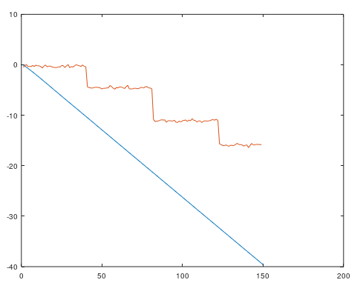

Weights of dvl and imu are extremely
small so combined affect is also small
Return is also zero
gIMU = -10.289
gDVL = -10.961
comingVal = -0.38107
val = 41 |  |  |  |  | There is a mistake i am not updating dvl values now it is fine

this clarifies that by changing weights
the values are also getting small

It is very essential to understand sensory data

IMU is inertial sensor and DVL is also inertial sensor

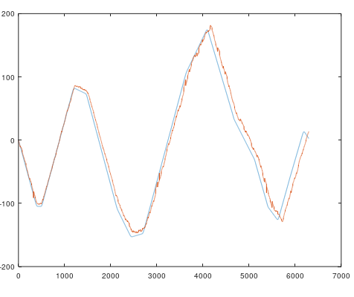
now weights are set and input is updating from
wights

 |  |  | Good enough because i was considering only IMU last time

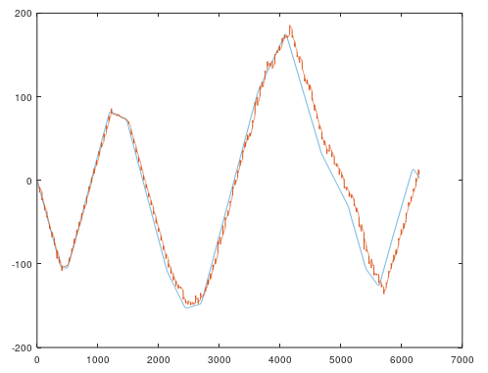
 |  |  |  | iter=5;
 |  |  |  | #setting Input for inertial sensor and positioning
 |  |  |  | AIMU=1;
 |  |  |  | sigmaIMU=30;
 |  |  |  | ADVL=1;
 |  |  |  | sigmaDVL=10;
 |  |  |  | AUSBL=1;
 |  |  |  | sigmaUSBL=1;

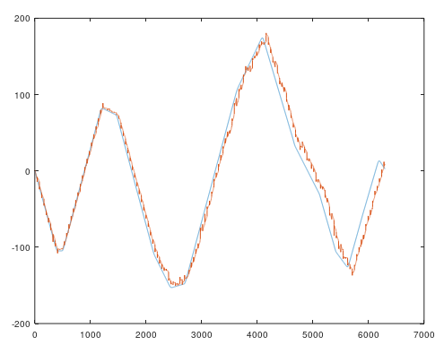
 |  |  |  | iter=5;
 |  |  |  | #setting Input for inertial sensor and positioning
 |  |  |  | AIMU=1;
 |  |  |  | sigmaIMU=30;
 |  |  |  | ADVL=1;
 |  |  |  | sigmaDVL=10;
 |  |  |  | AUSBL=1;
 |  |  |  | sigmaUSBL=0.1;

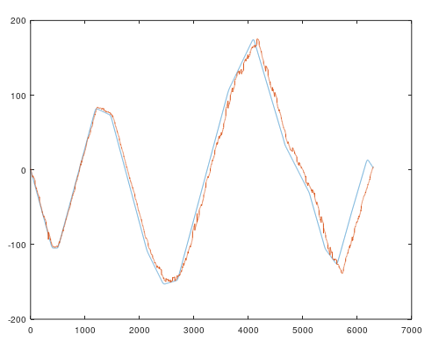
 |  |  |  | iter=30;
 |  |  |  | #setting Input for inertial sensor and positioning
 |  |  |  | AIMU=1;
 |  |  |  | sigmaIMU=30;
 |  |  |  | ADVL=1;
 |  |  |  | sigmaDVL=10;
 |  |  |  | AUSBL=1;
 |  |  |  | sigmaUSBL=0.1;

 |  |  |  | with iterations curly like becomes smooth

